GuideDocument
DAY | ITNRY | MEAL |  | PLACE & TIME (Tentative) |  | MENU (Tentative) | HOTEL
1 | Meet and greet local guide Osaka Castel Shinsaibashi Lunch Dotonbori GlicoMan Check in hotel | B | × |  |  |  | ■Sarasa Hotel Namba■ +81-6-6634-3390 3-6-6 Nipponbashi, Naniwa-ku, Osaka 556-0005 Japan
 |  | L | 〇 | Sutamina Taro Next Dotonbori 81+6-6213-2941 2-5-9 West Shinsaibashi, Chuo-ku, Osaka 20+2(TL/TG) Price:1512en/pax | 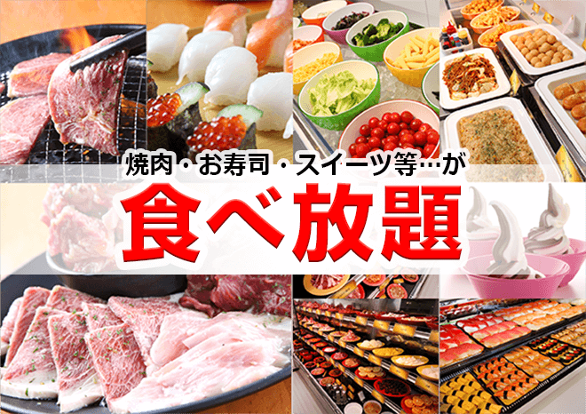 | Yakiniku & Buffet (Sushi, Desert) All-you-can-eat
 |  | D | 〇 | Tajimaya DX Shinsaibashi 81+6-6211-5029 6F, Shinsaibashi LUZ 7-2, Souzawmon-cho, Chuo-ku, Osaka 〒542-0084 20+2(TL/TG) Price:1800en/pax | 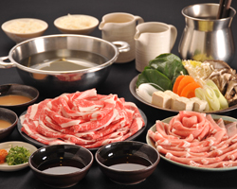 | SyabuSyabu & Ice cream All-you-can-eat
2 | Transfer Kyoto Kiyomizu Temple Lunch Fushimi Inari Shrine Transfer Kanazawa Kanazawa Castel Dinner Check in Hotel | B | 〇 | Hotel |  |  | ■APA HOTEL KANAZAWA EKIMAE■ +81-570-008-111 1-9-28 Hirooka, Kanazawashi, Ishikawaken
 |  | L | 〇 | Sumo Chaya Ikoro 81+75-551-0156 Kita, Gion-machi, Higashiyama-ku, Kyoto 〒605-0073 Price:1620en/pax | 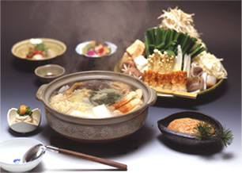 | Chanko Nabe All-you-can-eat
 |  | D | 〇 | Hananomai Kanazawa Ekimae 81+76-210-3777 1F Building B, Live Build 3-3 Konohanamachi, Kanazawashi, Ishikawa 〒920-0852 price1500en/pax | 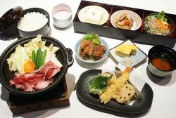 | Sukiyaki, Tempura, Lice, Salad, Miso-soup, Desert
3 | Transfer Gifu Tateyama Sanmashi Suji Gasso Zukuri Dinner Check in hotel | B | 〇 | Hotel |  |  | ■Matsumoto Hotel Kagetsu■ +81-263-32-0114 4-8-9 Ote,Matsumoto-City,Nagano 390-0874 JAPAN
 |  | L | 〇 | Matsurinomori 81+577-37-1000 1111 Chishimamachi, Takayama, Gifu 〒506-0032 Time:12:00 Price:1620en/pax | 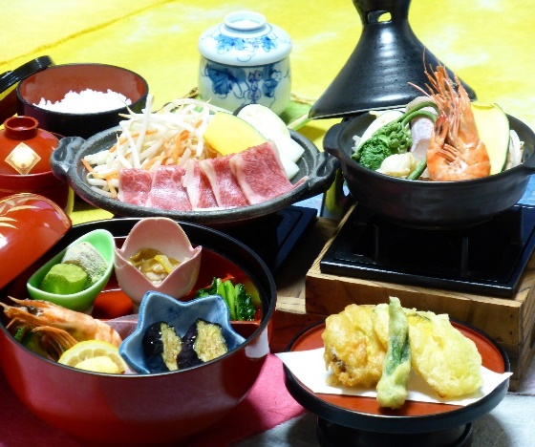 | Inbound Menu B (Nabe, Tempura, Lice, steamed egg custard,Soup)
 |  | D | 〇 | Yakiniku okoku Azumino 81+263-50-8929 4319-20 Toyoshina, Azumino, Nagano Price:1800~2000en/pax Time:18:00~ | 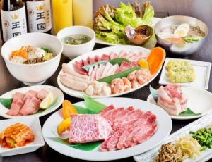 | Yakiniku, Lice, Soup,
4 | Transfer Fuji Gunung Lunch Saiko iyashino sato Gotemba Premium Outlet Transfer Tokyo Dinner Check in hotel | B | 〇 | Hotel |  |  | ■Best Western Tokyo Nishikasai ■ +81-3-3675-8900 6-17-9 Nishikasai Edogawa-ku Tokyo 134-0088 Japan
 |  | L | 〇 | Iyashinosato 81+555-20-4677 2710 Neba, West Lake , Fuji kawaguchiko-City, Minami Tsurugun, Yamanashi Price:1620en/pax Time:12:30 | 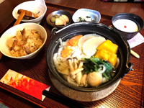 | Japan Traditionally Houtou Nabe
 |  | D | 〇 | ManpukuTaihan Yokohama Chukagai 81+45-681-1689 Chukagai 136-11, Yamashita-Machi, Naka-ku, Yokohama, Kanagawa Price:1800en/Pax | 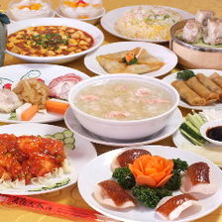 | Chuka 1800en Random Course
5 | Tokyo Disney Sea(Exclude enterence Fee) Free Program Check in hotel | B | 〇 | Hotel |  |  | ■Best Western Tokyo Nishikasai ■ +81-3-3675-8900 6-17-9 Nishikasai Edogawa-ku Tokyo 134-0088 Japan
 |  | L | ×
 |  | D | ×
6 | Asakusa Kannon Temple Nakamise Shopping Street Ueno Park Harajuku Odaiba(Mini Liberty&Rainbow Bridge) Transfer to Air port | B | 〇 | Hotel
 |  | L | 〇 | Daichi no Okurimono 4F Suzunoya Building 1-20-11 Ueno, Taito-ku, Tokyo 81+3-3836-2640 Price:1620en/pax | 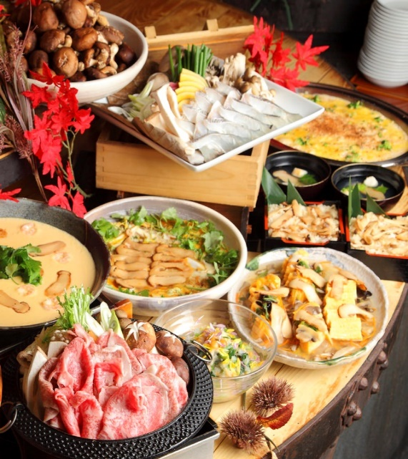 | Japanese Food Buffet
 |  | D | ×

 |  |  |  | 20+1 pax = JPY 108,100

